F11
 | Market Share
Fairy | 16%
Bold | 27%
Daz | 17%
Ariel | 29%
Surf | 40%

Pivot
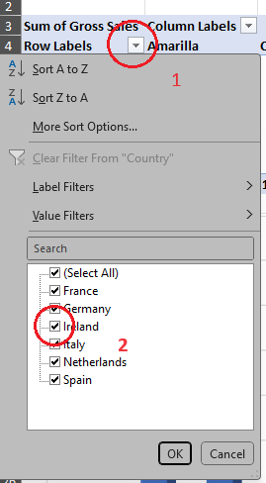
Sum of Gross Sales | Column Labels
Row Labels | Amarilla | Carretera | Montana | Paseo | Velo | VTT | Grand Total
France | 2,310,910 | 3,747,874 | 3,017,817 | 6,142,208 | 3,492,705 | 3,636,464 | 22,347,977
Germany | 4,095,885 | 3,147,586 | 3,262,875 | 4,784,051 | 5,324,137 | 3,713,596 | 24,328,130
Ireland | 4,006,204 | 2,056,902 | 3,121,230 | 4,867,312 | 3,345,629 | 3,502,205 | 20,899,482
Italy | 2,575,211 | 1,259,760 | 2,992,113 | 7,019,259 | 2,781,186 | 5,551,092 | 22,178,621
Netherlands | 2,745,875 | 2,382,486 | 2,948,940 | 7,275,636 | 3,535,907 | 3,687,298 | 22,576,141
Spain | 3,303,196 | 2,342,914 | 1,206,860 | 5,523,196 | 1,347,205 | 1,877,879 | 15,601,250
Grand Total | 19,037,280 | 14,937,521 | 16,549,835 | 35,611,662 | 19,826,769 | 21,968,534 | 127,931,599

 |  |  |  |  |  |  |  | Fitering a Pivot
 |  |  |  |  |  |  |  | Sorry for my memory lapse during the course.
 |  |  |  |  |  |  |  | Filtering the Pivot table is easy, in the graphic
 |  |  |  |  |  |  |  | on the right you can see that you click on the
 |  |  |  |  |  |  |  | dropdown for the row or column, and then
 |  |  |  |  |  |  |  | select items as you need.

Magic Chart
Happy | Unhappy
75% | 25%
100% | 100%

